tables1
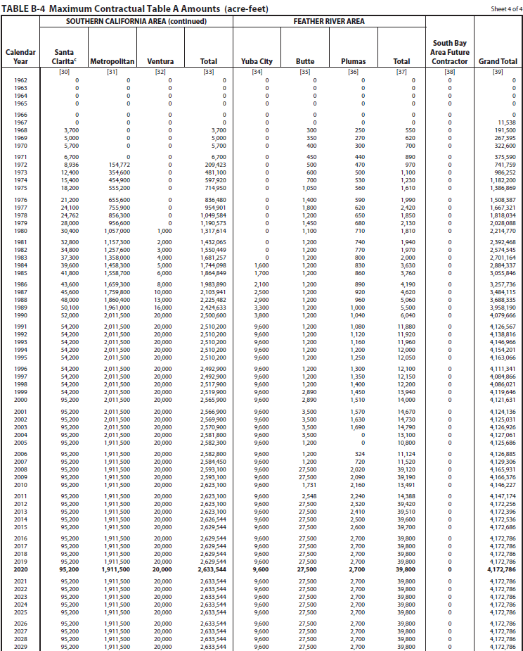

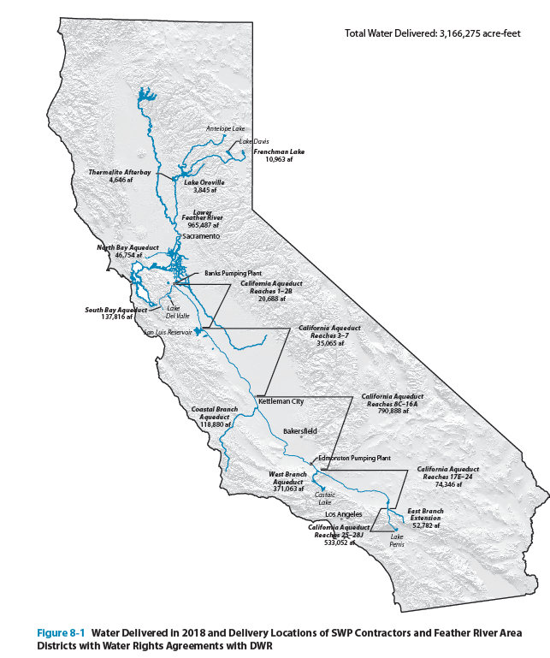

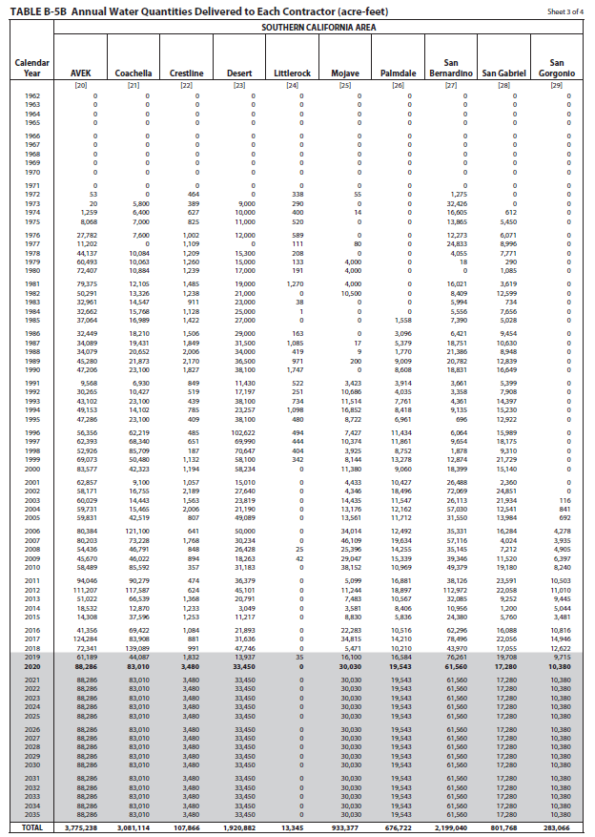
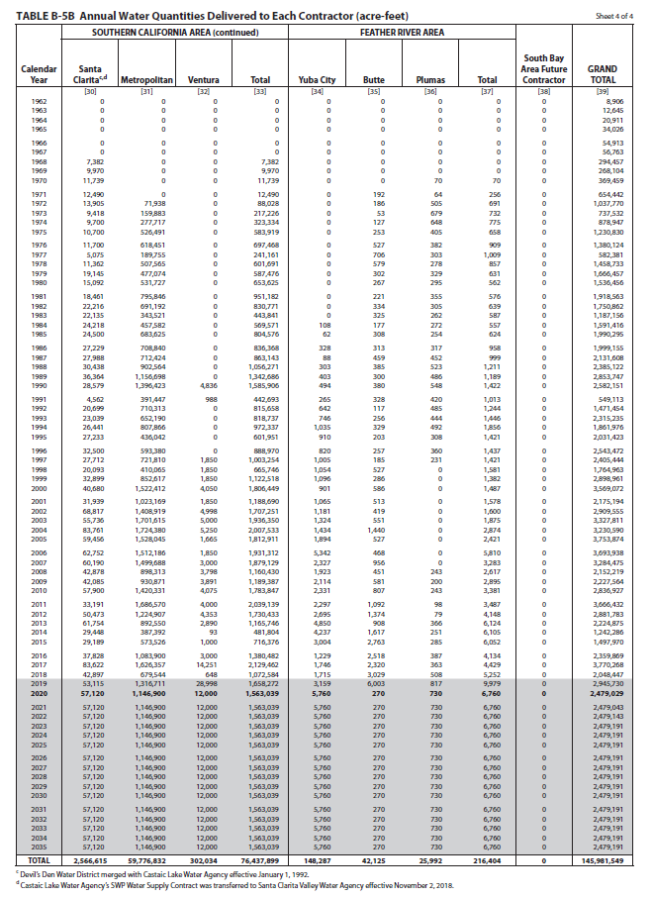

tables2
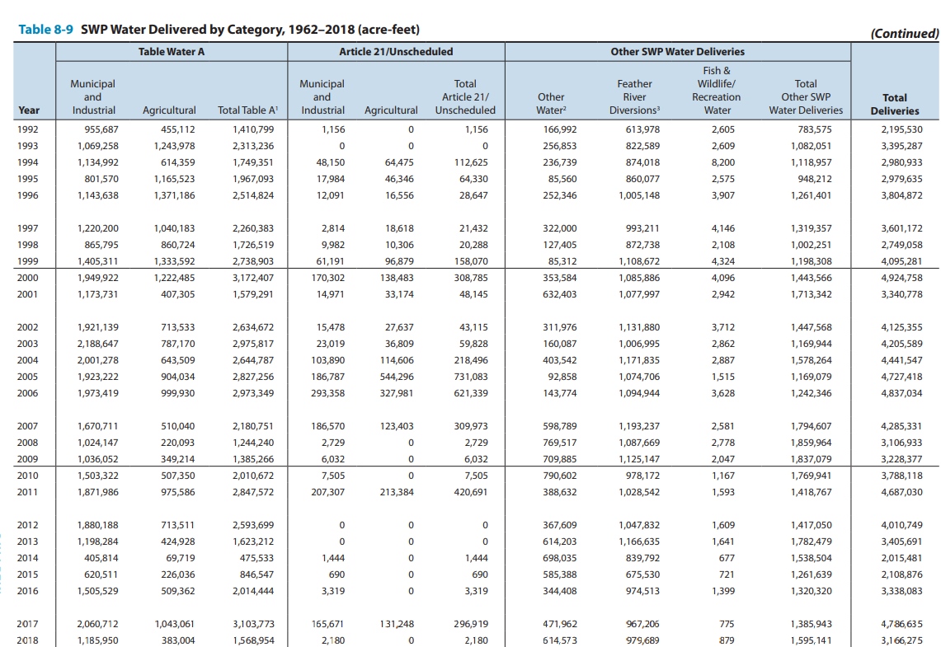
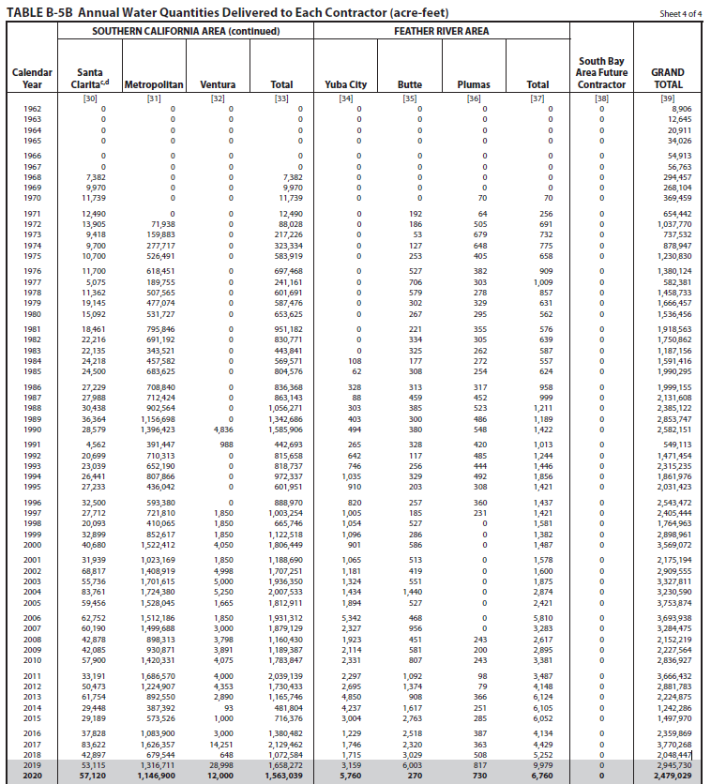
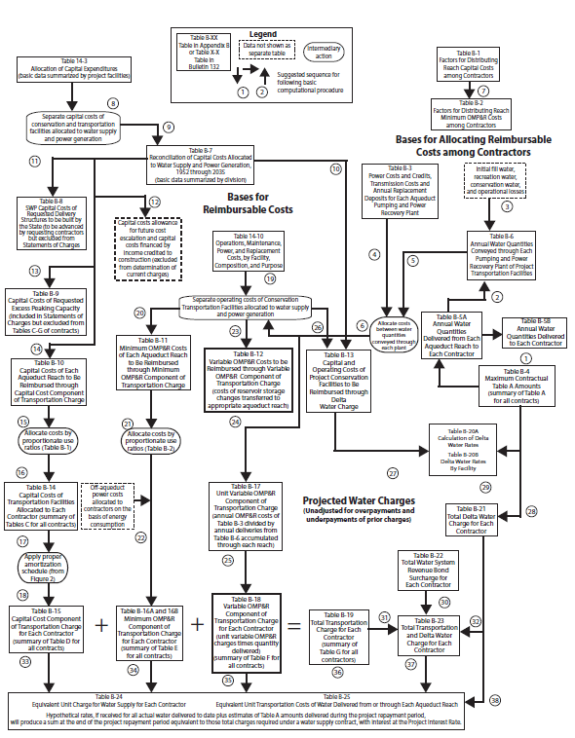
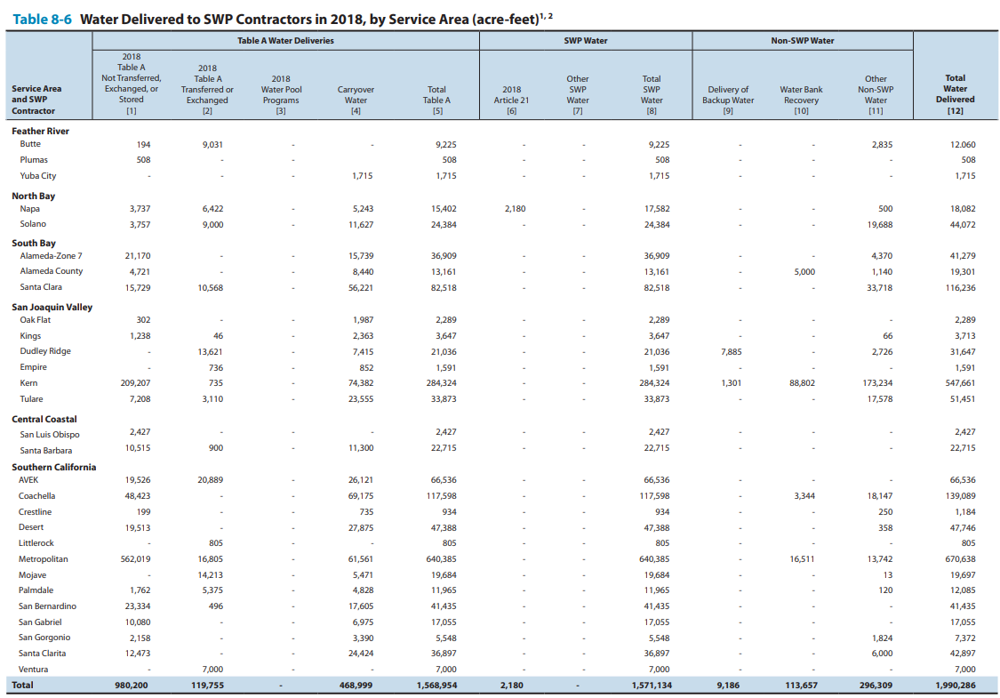
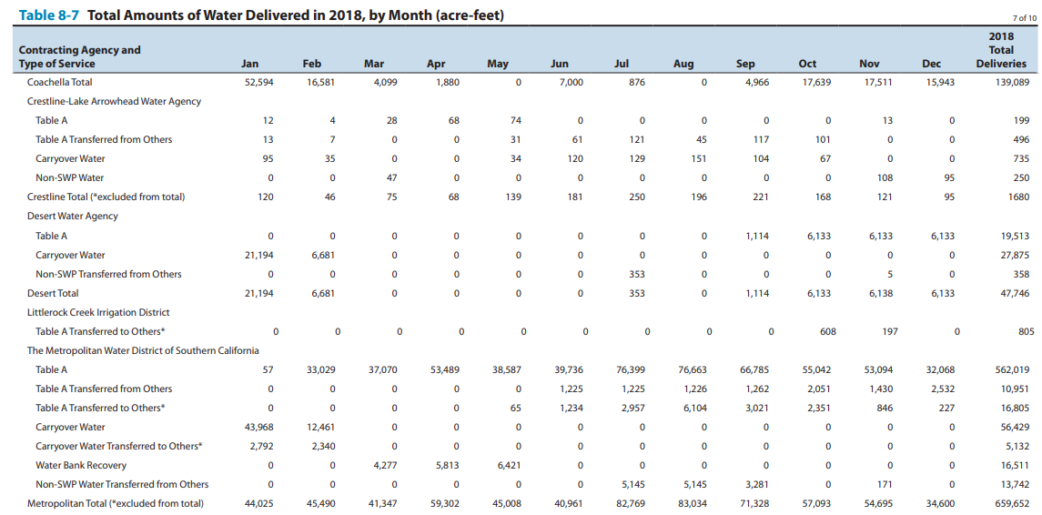

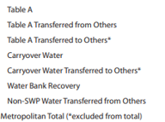
562019
10951
16805
56429 | 61561
5132
16511
13742
659652

Sheet3
78 | 2015 | 2015-03-02 | 20% | 382300 |  |  |  |  |  |  |  |  |  |  |  | max alloc south coast | 2500000
82 | 2016 | 2016-03-17 | 45% | 860175 |  | MED | allocation | socal | 2017 | 2018 |  |  |  |  |  | max alloc total | 4100000
83 | 2016 | 2016-04-21 | 60% | 1146900 |  | 1911500 | 669025 | 2629544 | 2235112.4 | 920340.4
86 | 2017 | 2017-01-18 | 60% | 1146900 |  |  |  |  | 2103635.2 | 1051817.6
87 | 2017 | 2017-04-14 | 85% | 1624775 |  | january | 23893.75
88 | 2017 | 2017-11-29 | 15% | 286725 | 23893.75 | february | 31858.333333
89 | 2018 | 2018-01-29 | 20% | 382300 | 31858.333333 | march
90 | 2018 | 2018-04-24 | 30% | 573450 | 47787.5 | april
91 | 2018 | 2018-05-21 | 35% | 669025 | 55752.083333 | may
 |  |  |  |  |  | june
 |  |  |  |  |  | july
 |  |  |  |  |  | august |  |  |  |  |  | MED
 |  |  |  |  |  | september |  |  |  |  |  |  |  |  | percent allocation | allocation from swp | total swp+non-swp
 |  |  |  |  |  | october |  |  |  |  |  | 2008 | 2008-02-01 | 35 | 0.35 | 669,025
 |  |  |  |  |  | november |  |  |  |  |  | 2009 | 2009-05-20 | 40 | 0.4 | 764,600
 |  |  |  |  |  | december |  |  |  |  |  | 2010 | 2010-06-22 | 50 | 0.5 | 955,750
 |  |  |  |  |  |  |  |  |  |  |  | 2011 | 2011-04-20 | 80 | 0.8 | 1,529,200
 |  |  |  |  |  |  |  |  |  |  |  | 2012 | 2012-05-23 | 65 | 0.65 | 1,242,475
 |  |  |  |  |  |  |  |  |  |  |  | 2013 | 2013-03-22 | 35 | 0.35 | 669,025
 |  |  |  |  |  |  |  |  |  |  |  | 2014 | 2014-04-18 | 5 | 0.05 | 95,575
 |  |  |  |  |  |  |  |  |  |  |  | 2015 | 2015-03-02 | 20 | 0.2 | 382,300
 |  |  |  |  |  |  |  |  |  |  |  | 2016 | 2016-04-21 | 60 | 0.6 | 1,146,900
 |  |  |  |  |  |  |  |  |  |  |  | 2017 | 2017-04-14 | 85 | 0.85 | 1,624,775
 |  |  |  |  |  |  |  |  |  |  |  | 2018 | 2018-05-21 | 35 | 0.35 | 669,025

 |  |  |  |  |  |  |  |  |  |  |  |  | this is approximate |  | table8-9
 |  |  |  |  |  |  |  |  |  |  | YEAR | ALLOCATION | table A | table A deliveries | total deliveries | total deliveries to SC | SWDI-delta
 |  |  |  |  |  |  |  |  |  |  | 1992 | 45 | 4138816 | 1,410,799 | 1,471,454 |  | 0.1
 |  |  |  |  |  |  |  |  |  |  | 1993 | 100 | 4138816 | 2,313,236 | 2,315,235 |  | 0.63333333333
 |  |  |  |  |  |  |  |  |  |  | 1994 | 50 | 4138816 | 1,749,351 | 1,861,976 |  | 0.24444444444
 |  |  |  |  |  |  |  |  |  |  | 1995 | 100 | 4138816 | 1,967,093 | 2,031,423 |  | 0.88888888889
 |  |  |  |  |  |  |  |  |  |  | 1996 | 100 | 4138816 | 2,514,824 | 2,543,472 | 888970 | 0.76666666667
 |  |  |  |  |  |  |  |  |  |  | 1997 | 100 | 4138816 | 2,260,383 | 2,405,444 | 1003254 | 0.63055555556
 |  |  |  |  |  |  |  |  |  |  | 1998 | 100 | 4138816 | 1,726,519 | 1,764,963 | 665746 | 0.94722222222
 |  |  |  |  |  |  |  |  |  |  | 1999 | 100 | 4138816 | 2,738,903 | 2,898,961 | 1,122,518 | 0.76388888889
annual allocation (%) - SWDI delta
 |  |  |  |  |  |  |  |  |  |  | 2000 | 90 | 4138816 | 3,172,407 | 3,569,072 | 1806449 | 0.62777777778
 |  |  |  |  |  |  |  |  |  |  | 2001 | 39 | 4138816 | 1,579,291 | 2,175,194 | 1,188,690 | 0.38333333333
 |  |  |  |  |  |  |  |  |  |  | 2002 | 70 | 4138816 | 2,634,672 | 2,909,555 | 1707251 | 0.46388888889
 |  |  |  |  |  |  |  |  |  |  | 2003 | 90 | 4138816 | 2,975,817 | 3,327,811 | 1,936,350 | 0.61111111111
 |  |  |  |  |  |  |  |  |  |  | 2004 | 65 | 4138816 | 2,644,787 | 3,230,590 | 2,007,533 | 0.51388888889
 |  |  |  |  |  |  |  |  |  |  | 2005 | 90 | 4138816 | 2,827,256 | 3,753,874 | 1,812,911 | 0.81111111111
 |  |  |  |  |  |  |  |  |  |  | 2006 | 100 | 4138816 | 2,973,349 | 3,693,938 | 1,931,312 | 0.89722222222
 |  |  |  |  |  |  |  |  |  |  | 2007 | 60 | 4138816 | 2,180,751 | 3,284,475 | 1,879,129 | 0.38055555556
 |  |  |  |  |  |  |  |  |  |  | 2008 | 35 | 4138816 | 1,244,240 | 2,152,219 | 1,160,430 | 0.23611111111
 |  |  |  |  |  |  |  |  |  |  | 2009 | 40 | 4138816 | 1,385,266 | 2,227,564 | 1,189,387 | 0.23055555556
 |  |  |  |  |  |  |  |  |  |  | 2010 | 50 | 4138816 | 2,010,672 | 2,836,927 | 1,783,847 | 0.57777777778
 |  |  |  |  |  |  |  |  |  |  | 2011 | 80 | 4138816 | 2,847,572 | 3,666,432 | 2,039,139 | 0.93055555556
 |  |  |  |  |  |  |  |  |  |  | 2012 | 65 | 4138816 | 2,593,699 | 2,881,783 | 1,730,433 | 0.48611111111
 |  |  |  |  |  |  |  |  |  |  | 2013 | 35 | 4138816 | 1,623,212 | 2,224,875 | 1,165,746 | 0.31388888889
 |  |  |  |  |  |  |  |  |  |  | 2014 | 5 | 4172256 | 475,533 | 1,242,286 | 481,804 | 0.072222222222
 |  |  |  |  |  |  |  |  |  |  | 2015 | 20 | 4172786 | 846,547 | 1,242,875 | 716,376 | 0.058333333333
 |  |  |  |  |  |  |  |  |  |  | 2016 | 60 | 4172786 | 2,021,891 | 2,359,869 | 1,380,482 | 0.3
 |  |  |  |  |  |  |  |  |  |  | 2017 | 85 | 4172786 | 3,103,773 | 3,770,268 | 2,129,362 | 0.85833333333
 |  |  |  |  |  |  |  |  |  |  | 2018 | 35 | 4172786 | 1,568,954 | 2,048,447 | 1,072,584 | 0.46111111111
 |  |  |  |  |  |  |  |  |  |  | 2019 | 75 |  |  |  |  | 0.79444444444
 |  |  |  |  |  |  |  |  |  |  | 2020 | 20 |  |  |  |  | 0.41111111111
 |  |  |  |  |  |  |  |  |  |  | 2021 | 5 |  |  |  |  | 0.11111111111
 |  |  |  |  |  |  |  |  |  |  | 2022 | 5 |  |  |  |  | 0.15555555556
 |  |  |  |  |  |  |  |  |  |  | 2023 | 100 |  |  |  |  | 0.85
 |  |  |  |  |  |  |  |  |  |  | 2024 | 40 |  |  |  |  | 0.52222222222
table A deliveries SWDI delta from 1992 to SWDI
table A deliveries SWDI delta from 2007 to 2018

table A deliveries SWDI delta from 2000 to 2018
table A deliveries SWDI delta from 19992 to 2006

deliveries from each aqueduct
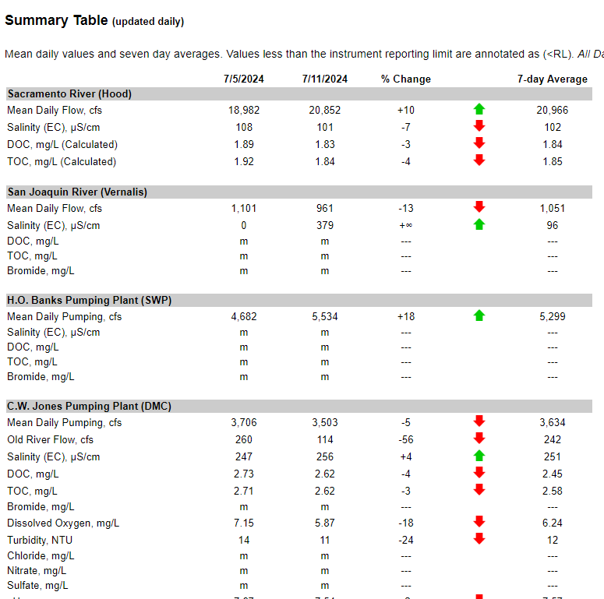
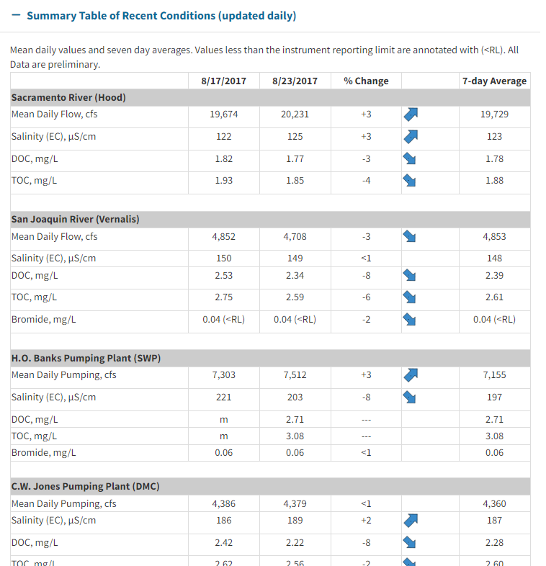
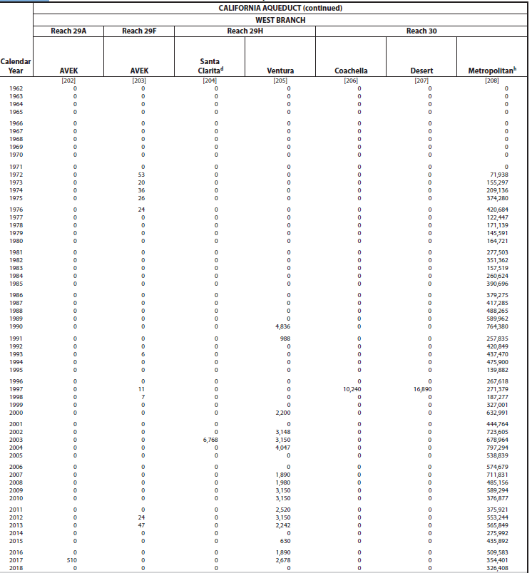
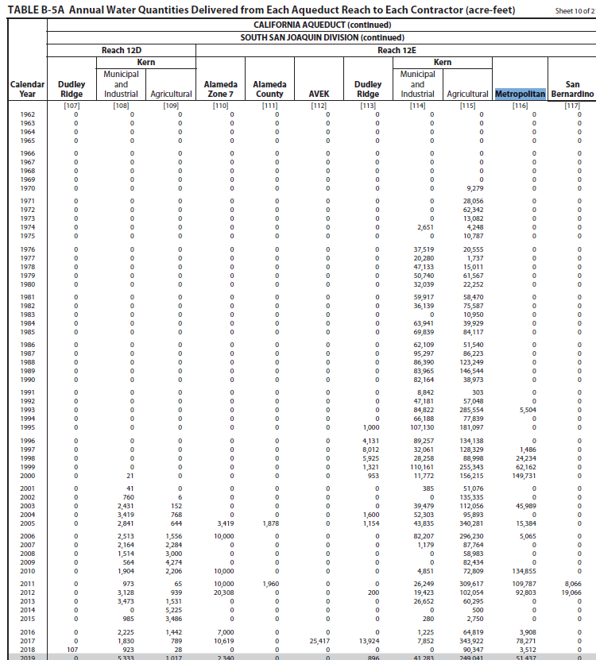
Division | Reach | Page Number |  | Branch | Region
San Luis | 3 | 376 | 420
San Luis | 3A | 377 | 421
San Luis | 5 | 378 | 422
South San Joaquin | 6 | 379 | 423
South San Joaquin | 7 | 379 | 423
South San Joaquin | 10A | 381 | 425
South San Joaquin | 11B | 382 | 426
South San Joaquin | 12E | 383 | 427
South San Joaquin | 13B | 384 | 428
South San Joaquin | 14C | 386 | 430
Mojave | 19 | 387 | 431 | East
Mojave | 20A | 387 | 431 | East
Santa Ana | 28G | 390 | 434 | East | Orange County
Santa Ana | 28H | 390 | 434 | East | Orange County
Santa Ana | 28J | 391 | 435 | East | Orange County
Santa Ana | EBX1 | 391 | 435 | East | Orange County
West Branch | 30 | 392 | 436 | West

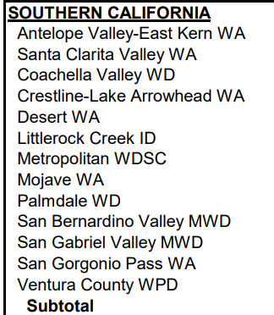
SoCal Contractors
AVEK
Santa Clarita
Coachella
Crestline
Desert
Littlerock
Metropolitan
Mojave
Palmdale
San Bernardino
San Gabriel
San Gorgonio
Ventura

https://rtdf.info/ |  |  |  |  |  | https://water.ca.gov/Programs/Integrated-Science-and-Engineering/Water-Quality-Monitoring-And-Assessment/RTDF-Summary

